Citation Cover Page
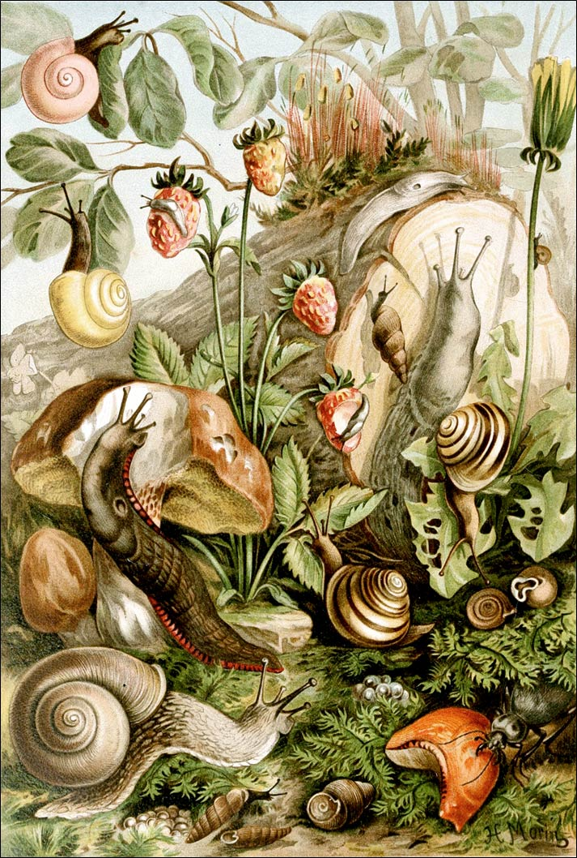
Local Slug Research--Citations, Summaries, and PDF's
Prepared by Amy J. Dreves and Rory Mc Donnell
Oregon State, Crop and Soil Science Dept. Mar 2017
References with Citation and Summary of Results (including PDF's for further reading)
Slug (and snail) references were compiled from unpublished reports, peer-reviewed papers, presentations, bulletins, posters, etc. found in the Pacific Northwest. Some of this reseach was summarized by our slug specialists, others will be completed in the near future. If you find errors, want to include a summary on a document or have additional citations, please contact us. While the current literature review focuses on research done in the Pacific Northwest, worldwide literature will be included in the future, as time permits.
Literature obtained (not an exhaustive compilation), includes work on bait efficacy, abiotic and biotic conditions affecting slugs, land management and practices, cultural controls, biological agents, keys for identifying slugs, etc.

Illustration by H. Morin 1893

